Bug report1
BUG ID |  | A001

BUG NAME |  | The user cannot register again after deleting account using the same email address.

DESCRIPTION |  | When the user deletes their account from the "Adobe" application, they cannot re-register with the e-mail address they used when registering the previous time. When the user enters the registration page “Create an account” on the site with URL: “https://www.adobe.com”, enters the e-mail he used some previous time, fills in all other fields in the registration form correctly and clicks on the button “Create account”, a warning message: “An account with this email address already exists. Sign in.” appears below the field “Email address”. The notification that the user receives in the form of the warning message is not correct. The account with that e-mail no longer exists and the user cannot log in with the account (e-mail and password) that he previously deleted. The user has not been successfully registered and does not have the ability to register using his e-mail even though he has deleted the previous account and even though the account with that e-mail ardes no longer exists.

STEPS TO REPRODUCE | 1 | Open Chrome browser - Chrome is open.
 | 2 | Input URL: “https://www.adobe.com” - Home page is open.
 | 3 | Click on the “Sign in” in the upper right corner. - Signin page opens.
 | 4 | Click on the “Create an account” on top. - The form “Create an account” opens
 | 5 | Input a valid e-mail address with following format: [name]@[domain].[xyz] in the field “Email address” (example: bojana@gmail.com)
 | 6 | Input a valid first name in the field “First name”
 | 7 | Input a valid last name in the field “Last name”
 | 8 | Input a correct password in the field ”Password”
 | 9 | Choose a month in section “Date of birth” from drop-down list “Month”
 | 10 | Input a valid day in the field “Day” in section “Date of birth”
 | 11 | Input a vaid year in the field “Year” in section “Date of birth”
 | 12 | Choose the country from drop-down list “Country/Region”
 | 13 | Click checkbox “Please contact me via email”
 | 14 | Click on the button “Create account”

EXPECTED RESULT |  | Successful registration. The user is signed in and the home page is open.

ACTUAL RESULAT |  | Unsuccessful registration. A warning message: “An account with this email address already exists. Sign in.” appears below the field “Email address”.

SCREENSHOT |  | 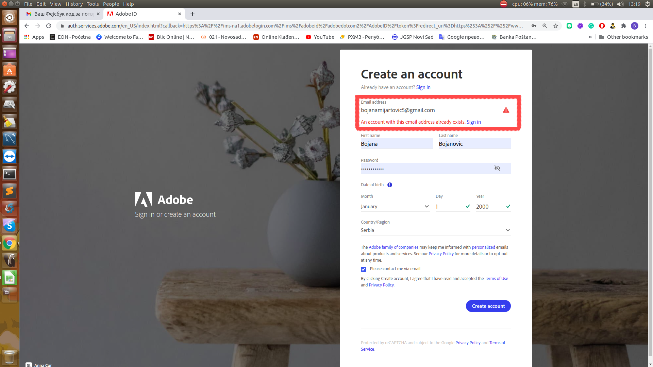

ENVIROMENT |  | OS: Linux, Ubuntu 16.04 Browser: Chrome

TIME STAMP |  | 08.01.2021. 13:31

ASSIGNED TO |  | /

REPORT RATE |  | 100.00%

SEVERITY |  | high

PRIORITY |  | high

